GA
Ex. 12 >>> Aula 3

cadeia = x | 16 horas >>> 960 minutos
mesa de centro = y | 11 horas >>> 660 minutos
mesa de jantar = z | 18 horas >>> 1080 minutos | 10 | 12 | 15 | 960 |  | L2 = 10l2 - 6l1
 |  | 6 | 8 | 12 | 660 | >>> | L3 = 10l3 - 12 l1
10x + 12y + 15z = 960 |  | 12 | 12 | 18 | 1080
6x + 8y + 12z = 660
12x + 12y + 18z = 1080 |  | 10 | 12 | 15 | 960
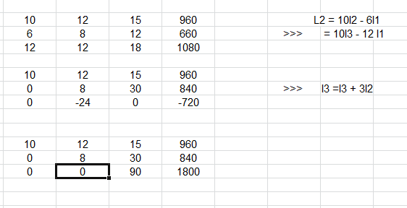
 |  | 0 | 8 | 30 | 840 | >>> | l3 =l3 + 3l2
 |  | 0 | -24 | 0 | -720

 |  | 10 | 12 | 15 | 960
 |  | 0 | 8 | 30 | 840
 |  | 0 | 0 | 90 | 1800

90z = 1800 | 8y+30z=840
z = 20 | 8y = 240
 | y=30

10x+12y+15z=960
10x=300
x=30

R: 30 cadeiras, 30 mesas de centro e 30 mesas de jantar

